BUG-SignUp
STT | Iteam | Title bug | Description | Step to perform | Data check | Expected result | Actural result | Evidence
1 | Username | [Sign Up Screen] The Error Message dialog box is not displayed in case the username is longer than 60 characters | The user entered 61 characters in the Username field and the user noticed an dialog error message was not displayed in this case | 1. At the Sign Up screen screen 2. input data on username botton 3. Click button "Sign Up screen" 2. Check screen | 1. "Sign Up screen" screen: - Username: input 61 characters | Show Error dialog displayer: "Invalid username!" | Error dialog does not match design | 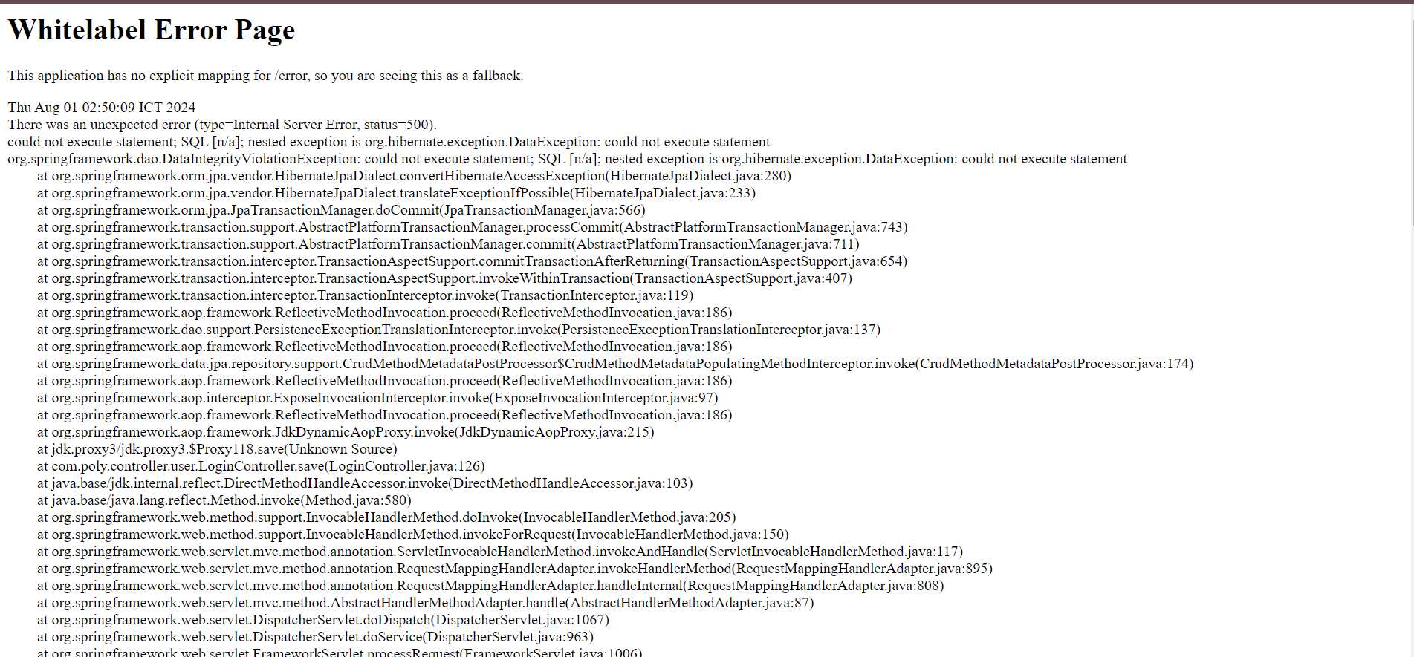
2 | Password | [Sign Up Screen] The Error Message dialog box is not displayed in case the Password is less than 6 characters long | The user entered 5 characters in the Password field and the user noticed an dialog error message was not displayed in this case | 1. At the Sign Up screen screen 2. input data on Password field 3. Click button "Sign Up screen" 2. Check screen | 1. "Sign Up screen" screen: - Password: abc12 | Show Error dialog displayer: "Invalid Password!" | Don't show error message. Account registration successful, switch to Log In screen | 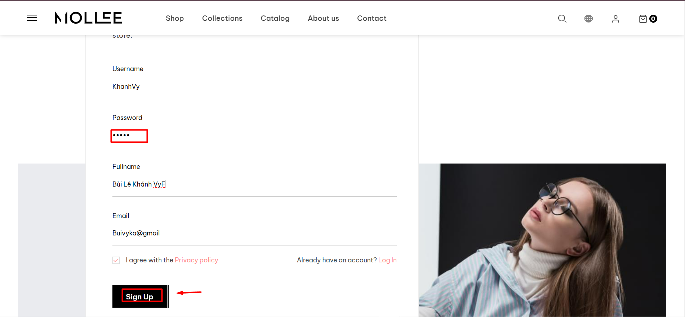 | 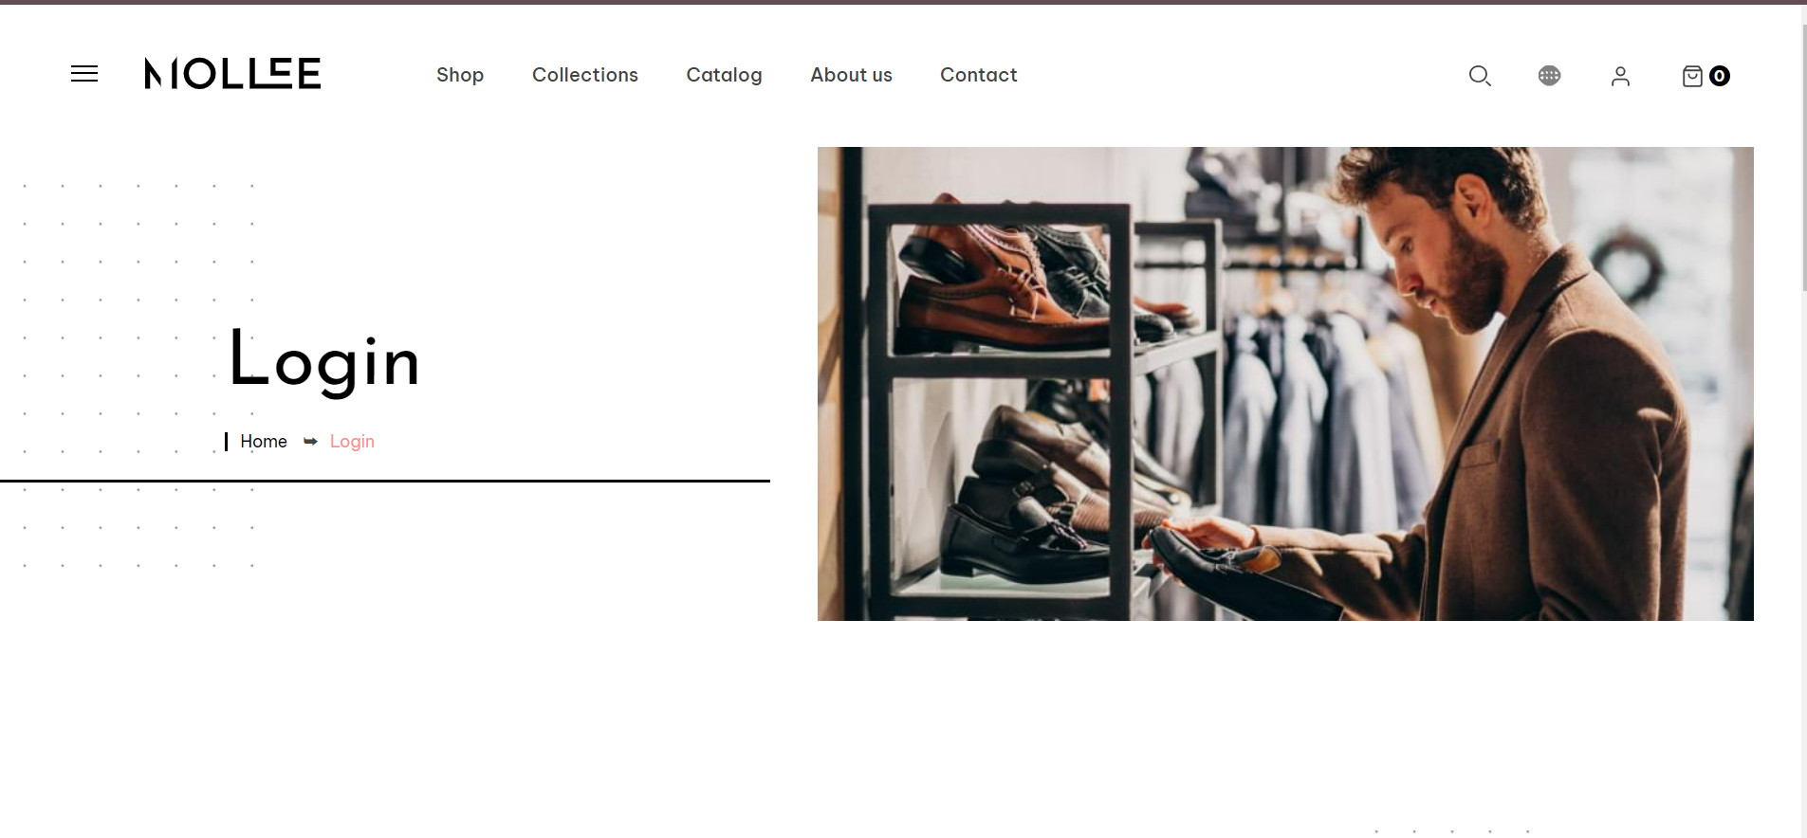
3 |  | [Sign Up Screen] The Error Message dialog box is not displayed in case the Password is longer than 60 characters | The user entered 61 characters in the Password field and the user noticed an dialog error message was not displayed in this case | 1. At the Sign Up screen screen 2. input data on Password field 3. Click button "Sign Up screen" 2. Check screen | 1. "Sign Up screen" screen: - Password: input 61 characters | Show Error dialog displayer: "Invalid Password!" | Error dialog does not match design | 
4 | Sign Up | [Sign Up Screen] Error message is not displayed in case the “Privacy Policy” Checkbox is not selected | The user has entered valid data in all the fields, but did not click the “Privacy Policy” checkbox and the user notices that the dialog box error message is not displayed in this case | 1. At the Sign Up screen screen 2. Click Button Sign Up 2. Check Button Sign Up screen | “Privacy Policy” Checkbox is not selected | Show Error dialog displayer: "Account registration failed!" | Don't show error message. Account registration successful, switch to Log In screen | 